编程界面设计说明
测试环境 | vdd=5v | cout=1.5nf | cvref=47nf | Cvin=470nf

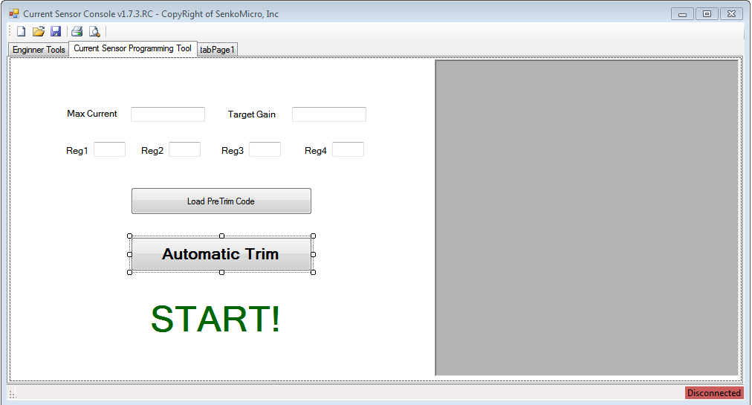
SP910版本编程码要求

 |  |  |  |  | 编程功能
Gain Setting |  | CLOSE_OUT_DRV_OTP
 |  | 0 |  | Default | Gain*1X
 |  | 1 |  |  | Gain*1.5X
 |  | EN_I_OUT
 |  | 0 |  | Default | Vout正常模拟输出
 |  | 1 |  |  | Vout拉高
 |  | INC_1X_HALL_I_N | INC_4X_HALL_I |  | Sensor Sensitivity
 |  | 0 | 0 |  | default
 |  | 0 | 1 |  | -24%
 |  | 1 | 0 |  | 24%
 |  | 1 | 1 |  | -12%
设置零点状态 |  | SEL_IR_SOURCE | SEL_VR_SOURCE |  | 零点选择
 |  | 0 | 0 |  | 2.5v
 |  | 0 | 1 |  | 1/2vdd
 |  | 1 | 0 |  | 1/2vdd 恒定gain
 |  | 1 | 1 |  | 1.65v
 | C | REF_A3 | REF_A2 | REF_A1 | REF_A0 |  | 7.5% ~ +8% range and 1% step
 | D | VREF_ADJ_A2N | VREF_ADJ_A1 | VREF_ADJ_A0 | VREF_ADJ_A3 | vout offset 细调：+-2% range and 0.3% step
 | G | FAST_OPA_SEL1 | FAST_OPA_SEL2 | FAST_OPA_SEL3 | Gain | 增益温度系数校正
3 | 先修此项，再校正 | 0 | 0 | 0 | 1.6x | 默认0
 |  | 0 | 0 | 1 | 1.6x | 0-ppm/-359ppm
 |  | 0 | 1 | 0 | 1.6x | 0-2ppm/-710ppm
 |  | 0 | 1 | 1 | 1.6x | 0-3ppm--》-1027ppm
 |  | 1 | 0 | 0 | 1.6x | 0+4ppm/--》+1192ppm
 |  | 1 | 0 | 1 | 1.6x | 0+3ppm/+757ppm
 |  | 1 | 1 | 0 | 1.6x | 0+2ppm/+366ppm
 |  | 1 | 1 | 1 | 1.6x | 0
 | H | FAST_OPA_SEL_BIGCAP |  |  | 输出选项
1 |  | 0 |  | 默认 | 内部滤波
 |  | 1 |  |  | 关滤波器
 | I | EN_CHOP_CK
1 |  | 0 | Default |  | 2x gain
 |  | 1 |  |  | 1x gain
 | J | SEL_SW_MODE_A | SEL_SW_MODE_B
2 |  | 0 | 0 |  | 默认
 |  | 0 | 1 |  | 电阻式
 |  | 1 | 0 |  | 默认反向
 |  | 1 | 1 |  | 电阻式反向
 | M | EN_HALL2 | SEL_HALL2_CLK
1 |  | 0 | 0 | Default | 默认双向
 |  | 0 | 1 |  | 双向
 | N
1 |  | 1 | 0 |  | 零点=4.5
 |  | 1 | 1 |  | 零点=0.5

S1_A3 | S1_A2 | S1_A1 | S1_A0 | Pre-buf 增益调整
1 | 1 | 1 | 1 |  | 1 |  | -88.21% | -75.37%
1 | 1 | 1 | 0 |  | 1.15 |  | -86.44% | -71.67%
1 | 1 | 0 | 1 |  | 1.32 |  | -84.43% | -67.49%
1 | 1 | 0 | 0 |  | 1.52 |  | -82.08% | -62.56%
1 | 0 | 1 | 1 |  | 1.75 |  | -79.36% | -56.90%
1 | 0 | 1 | 0 |  | 2.02 |  | -76.18% | -50.25%
1 | 0 | 0 | 1 |  | 2.32 |  | -72.64% | -42.86%
1 | 0 | 0 | 0 |  | 2.667 |  | -68.55% | -34.31%
0 | 1 | 1 | 1 |  | 3.066 |  | -63.84% | -24.48%
0 | 1 | 1 | 0 |  | 3.53 |  | -58.37% | -13.05%
0 | 1 | 0 | 1 |  | 4.06 |  | -52.12% | 0.00%
0 | 1 | 0 | 0 |  | 4.68 |  | -44.81% | 15.27%
0 | 0 | 1 | 1 |  | 5.4 |  | -36.32% | 33.00%
0 | 0 | 1 | 0 |  | 6.25 |  | -26.30% | 53.94%
0 | 0 | 0 | 1 |  | 7.27 |  | -14.27% | 79.06%
0 | 0 | 0 | 0 | deafult | 8.48 |  | %
RCC_SEL4 | RCC_SEL3 | RCC_SEL2 | RCC_SEL1 | RCC_SEL0 | range： -14%--》-0.45%

PreTrim
Current Range |  |  |  |  |  | 0x82 | 0x83 |  |  | Bits
 | SmallI | CLOSE_OUT_DRV_OTP | 1 | 1.5X |  | 0 | 80 |  |  | bit7 of 0x82; bit7 of 0x83
 | Default | Default |  |  |  | 0 | 0
 | LargeI | EN_CHOP_CK | 1 | -50% |  | 80 | 0

 |  | INC_1X_HALL_I_N | INC_4X_HALL_I |  |  | 0x83 |  |  |  | Bits
Sensitivity adapt | Default | 0 | 0 | 0 |  | 00 |  |  |  | bit0 and bit1 of 0x83
 | Grade A | 1 | 1 | -12% |  | 03
 | Grade B | 0 | 1 | -24% |  | 02

4.5<Vout_IP<4.7 | Iptest Setting | S1_A3 | S1_A2 | S1_A1 | S1_A0 | 0x80 | 0x81 | Gain | 仅供测试读取数值使用，计算时带入该选择项，再做选取 | Bits
 | DN15 | 1 | 1 | 1 | 1 | E0 | 01 | 12.36% |  | bit0 of 0x81；bit5,bit6,bit7 of 0x80
 | DN14 | 1 | 1 | 1 | 0 | E0 | 00 | 14.13%
 | DN13 | 1 | 1 | 0 | 1 | 60 | 01 | 16.26%
 | DN12 | 1 | 1 | 0 | 0 | 60 | 00 | 18.73%
 | DN11 | 1 | 0 | 1 | 1 | A0 | 01 | 21.52%
 | DN10 | 1 | 0 | 1 | 0 | A0 | 00 | 24.74%
 | DN9 | 1 | 0 | 0 | 1 | 20 | 01 | 28.64%
 | DN8 | 1 | 0 | 0 | 0 | 20 | 00 | 32.74%
 | DN7 | 0 | 1 | 1 | 1 | C0 | 01 | 37.76%
 | DN6 | 0 | 1 | 1 | 0 | C0 | 00 | 43.51%
 | DN5 | 0 | 1 | 0 | 1 | 40 | 01 | 49.97%
 | DN4 | 0 | 1 | 0 | 0 | 40 | 00 | 57.56%
 | DN3 | 0 | 0 | 1 | 1 | 80 | 01 | 66.19%
 | DN2 | 0 | 0 | 1 | 0 | 80 | 00 | 76.00%
 | DN1 | 0 | 0 | 0 | 1 | 00 | 01 | 87.54%
 | DN0 | 0 | 0 | 0 | 0 | 00 | 00 | 1

Temprature Cmp | 灵敏度温度补偿 | FAST_OPA_SEL1 | FAST_OPA_SEL2 | FAST_OPA_SEL3 |  | 0x81 |  |  |  | Bits
 | Default | 0 | 0 | 0 |  | 00 |  |  |  | bit4, bit5 and bit6 of 0x81
 | `-359ppm | 0 | 0 | 1 |  | 10
 | `-710ppm | 0 | 1 | 0 |  | 20
 | `-1027ppm | 0 | 1 | 1 |  | 30
 | `+1192ppm | 1 | 0 | 0 |  | 40
 | `+757ppm | 1 | 0 | 1 |  | 50
 | `+366ppm | 1 | 1 | 0 |  | 60

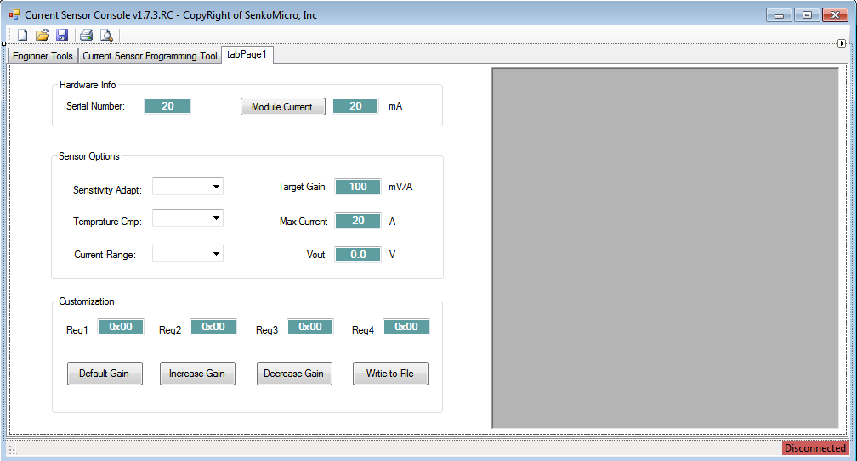

 | IQ判断
 | 断电操作
 | 兼容15v模块
 | 判断零点范围
 | 判断增益范围
 | RELOADH

Engineering
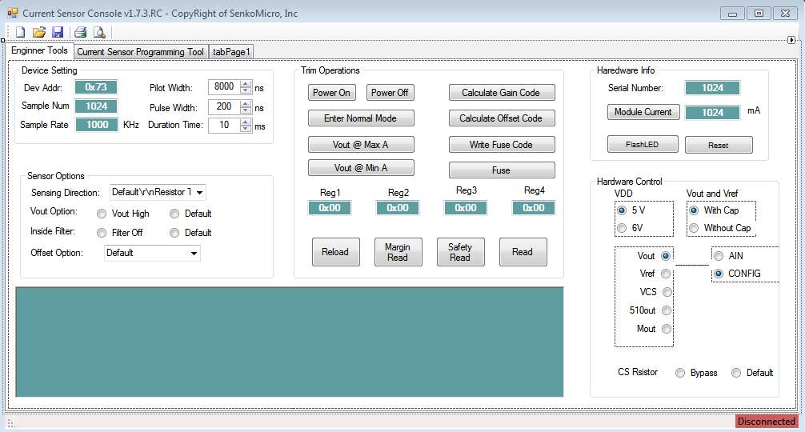
Sensing Direction |  | SEL_SW_MODE_A | SEL_SW_MODE_B | 隐藏，仅供兴工研发使用 | 0x82 |  | Bits
 | Default | 0 | 0 |  | 00 | 默认 | bit5 and bit6 of 0x82
 | Resistor Type | 0 | 1 |  | 20 | 电阻式
 | Invert Default | 1 | 0 |  | 40 | 默认反向
 | Invert Resistor Type | 1 | 1 |  | 60 | 电阻式反向

 |  |  |  |  | 0x83 |  | Bits
Functional | Vout High | EN_I_OUT | 1 | 隐藏，仅供兴工研发使用 | 40 |  | bit6 of 0x83
 | Default | EN_I_OUT | 0 |  | 00

 |  |  |  |  | 0x81 |  | Bits
Functional | Filter Off | FAST_OPA_SEL_BIGCAP | 1 | 隐藏，仅供兴工研发使用 | 08 |  | bit3 of 0x81
 | Default | FAST_OPA_SEL_BIGCAP | 0 |  | 00

Offset selection |  | SEL_IR_SOURCE | SEL_VR_SOURCE | 隐藏，仅供兴工研发使用 | 0x82 |  | Bits
 | Default | 0 | 0 |  | 00 |  | bit3 and bit4 of 0x82
 | Half Vdd | 0 | 1 |  | 08
 | Half Vdd with fixed gain | 1 | 0 |  | 10
 | 1.65V | 1 | 1 |  | 18

 |  | en_2 | H2_clk | 隐藏，仅供兴工研发使用 | 0x81 |  | Bits
Polarity Option | default | 0 | 0 |  | 0x00 |  | bit1 and bit2 of 0x81
 | vout_0A = 4.5 | 1 | 0 |  | 0x04
 | vout_0A = 0.5 | 1 | 1 |  | 0x06

